PostgreSQL Schema
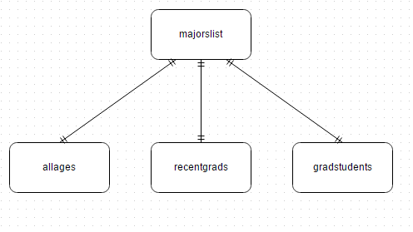
 | all.ages | grad.students | recent.grads | majors.list
Major_code | x | x | x | x
Major |  |  |  | x
Major_category |  |  |  | x
Total | x |  | x
Employed | x |  | x
Employed_full_time_year_round | x |  | x
Unemployed | x |  | x
Unemployment_rate | x |  | x
Median | x |  | x
p25th | x |  | x
p75th | x |  | x
Rank |  |  | x
Sample_size |  |  | x
Men |  |  | x
Woman |  |  | x
Sharewomen |  |  | x
Full_time |  |  | x
Part_time |  |  | x
College_jobs |  |  | x
Non_college_jobs |  |  | x
Grad_total |  | x
Grad_sample_size |  | x
Grad_employed |  | x
Grad_full_time_year_round |  | x
Grad_unemployed |  | x
Grad_unemployment_rate |  | x
Grad_median |  | x
Grad_p25 |  | x
Grad_p75 |  | x
Nongrad_total |  | x
Nongrad_employed |  | x
Nongrad_full_time_year_round |  | x
Nongrad_unemployed |  | x
Nongrad_unemployment_rate |  | x
Nongrad_median |  | x
Nongrad_p25 |  | x
Nongrad_p75 |  | x
Grad_share |  | x
Grad_premium |  | x

